Sheet1
 | Turtlesback Review

Uprooted |  | Descent | Gifted

How is the difficulty ( too hard? too easy? how could it be made easier if too hard ), What about the controls? |  | How is the difficulty ( too hard? too easy? how could it be made easier if too hard ), What about the controls? | How is the difficulty ( too hard? too easy? how could it be made easier if too hard ), What about the controls?

It was too hard. I was way to fast. A lot of green trees hit me which made me drop my blackberries and blueberries. Also there were less blueberries and blackberries as compared to other fruits. Wheneever the blueberries and blackberries came they were always in front of the trees. This game took a lot of time to finish. |  | It was easy to play. But sometimes when I pressed space key, it didn’t work and didn’t let me jump on the birdies. | I was medium. The little pack of fishies are too hard to see if they are at the very bottom. It will good to change their color and make them different from the see weeds.

Do you like the way the game looks? Do the colors make sense? |  | Do you like the way the game looks? Do the colors make sense? | Do you like the way the game looks? Do the colors make sense?

It was pretty colorful and fun to collect the fruits |  | looks good. | It was good.

Additional Feedback (Anything you can think of that we should consider) |  | Additional Feedback (Anything you can think of that we should consider) | Additional Feedback (Anything you can think of that we should consider)

n/a |  | n/a | n/a

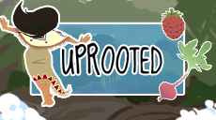
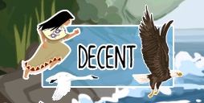
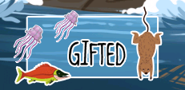

 |  | Grounded

 |  | How is the difficulty ( too hard? too easy? how could it be made easier if too hard ), What about the controls?

 |  | It was way too easy and should be a little bit challeging.

 |  | Do you like the way the game looks? Do the colors make sense?

 |  | It was fine.

 |  | Additional Feedback (Anything you can think of that we should consider)

 |  | n/a

